Sheet1
Adjusted closing prices
Date | S&P 500 | MSFT | WBA | TSLA
Dec-2010 | 1257.640 | 23.976 | 34.563 | 26.630 |  |  |  |  | return rate
Jan-2011 | 1286.120 | 23.822 | 35.876 | 24.100 | 2.265% | -0.645% | 3.799% | -9.501% | 102.265% | 99.355% | 103.799% | 90.499%
Feb-2011 | 1327.220 | 22.969 | 38.608 | 23.890 | 3.196% | -3.581% | 7.616% | -0.871% | 103.196% | 96.419% | 107.616% | 99.129%
Mar-2011 | 1325.830 | 21.940 | 35.757 | 27.750 | -0.105% | -4.477% | -7.383% | 16.157% | 99.895% | 95.523% | 92.617% | 116.157%
Apr-2011 | 1363.610 | 22.398 | 38.055 | 27.600 | 2.850% | 2.087% | 6.428% | -0.541% | 102.850% | 102.087% | 106.428% | 99.459%
May-2011 | 1345.200 | 21.754 | 39.020 | 30.140 | -1.350% | -2.878% | 2.535% | 9.203% | 98.650% | 97.122% | 102.535% | 109.203%
Jun-2011 | 1320.640 | 22.615 | 37.974 | 29.130 | -1.826% | 3.958% | -2.682% | -3.351% | 98.174% | 103.958% | 97.318% | 96.649%
Jul-2011 | 1292.280 | 23.833 | 34.915 | 28.170 | -2.147% | 5.385% | -8.055% | -3.296% | 97.853% | 105.385% | 91.945% | 96.704%
Aug-2011 | 1218.890 | 23.283 | 31.681 | 24.740 | -5.679% | -2.307% | -9.263% | -12.176% | 94.321% | 97.693% | 90.737% | 87.824%
Sep-2011 | 1131.420 | 21.786 | 29.594 | 24.390 | -7.176% | -6.429% | -6.589% | -1.415% | 92.824% | 93.571% | 93.411% | 98.585% |  | 0.868% | 1.573% | 1.763% | 4.877% | 0.10420781469
Oct-2011 | 1253.300 | 23.309 | 29.873 | 29.370 | 10.772% | 6.991% | 0.943% | 20.418% | 110.772% | 106.991% | 100.943% | 120.418% |  | 10.421% | 18.874% | 21.162% | 58.520% | 0.18873537092 | 0.21161829817 | 0.5852021074
Nov-2011 | 1246.960 | 22.559 | 30.548 | 32.740 | -0.506% | -3.220% | 2.259% | 11.474% | 99.494% | 96.780% | 102.259% | 111.474%
Dec-2011 | 1257.600 | 22.894 | 29.950 | 28.560 | 0.853% | 1.486% | -1.957% | -12.767% | 100.853% | 101.486% | 98.043% | 87.233% |  | 0.813% | 1.384% | 1.499% | 3.732%
Jan-2012 | 1312.410 | 26.042 | 30.221 | 29.070 | 4.358% | 13.752% | 0.907% | 1.786% | 104.358% | 113.752% | 100.907% | 101.786% |  | 9.752% | 16.611% | 17.983% | 44.788%
Feb-2012 | 1365.680 | 28.175 | 30.237 | 33.410 | 4.059% | 8.192% | 0.051% | 14.929% | 104.059% | 108.192% | 100.051% | 114.929%
Mar-2012 | 1408.470 | 28.637 | 30.538 | 37.240 | 3.133% | 1.638% | 0.995% | 11.464% | 103.133% | 101.638% | 100.995% | 111.464% |  | 3.377% | 6.302% | 7.481% | 16.632% |  | 0.18873537092
Apr-2012 | 1397.910 | 28.424 | 31.969 | 33.130 | -0.750% | -0.744% | 4.688% | -11.037% | 99.250% | 99.256% | 104.688% | 88.963% |  | 1.369% | 4.766% | 6.715% | 33.193% |  | 0.21161829817
May-2012 | 1310.330 | 26.082 | 28.022 | 29.500 | -6.265% | -8.240% | -12.348% | -10.957% | 93.735% | 91.760% | 87.652% | 89.043% |  |  |  |  |  |  | 0.5852021074
Jun-2012 | 1362.160 | 27.333 | 27.159 | 31.290 | 3.955% | 4.796% | -3.080% | 6.068% | 103.955% | 104.796% | 96.920% | 106.068% |  |  |  |  | 0.21831833178
Jul-2012 | 1379.320 | 26.332 | 33.384 | 27.420 | 1.260% | -3.661% | 22.921% | -12.368% | 101.260% | 96.339% | 122.921% | 87.632% |  |  |  |  | 0.25913912638
Aug-2012 | 1406.580 | 27.720 | 33.088 | 28.520 | 1.976% | 5.274% | -0.887% | 4.012% | 101.976% | 105.274% | 99.113% | 104.012% |  |  |  |  | 0.57613262143
Sep-2012 | 1440.670 | 26.767 | 33.717 | 29.280 | 2.424% | -3.439% | 1.902% | 2.665% | 102.424% | 96.561% | 101.902% | 102.665%
Oct-2012 | 1412.160 | 25.670 | 32.597 | 28.130 | -1.979% | -4.099% | -3.321% | -3.928% | 98.021% | 95.901% | 96.679% | 96.072% |  |  |  |  |  | 0.21831833178 | 0.25913912638 | 0.57613262143
Nov-2012 | 1416.180 | 24.140 | 31.632 | 33.820 | 0.285% | -5.961% | -2.961% | 20.228% | 100.285% | 94.039% | 97.039% | 120.228% |  | S&P 500 | MSFT | WBA | TSLA
Dec-2012 | 1426.190 | 24.221 | 34.524 | 33.870 | 0.707% | 0.338% | 9.142% | 0.148% | 100.707% | 100.338% | 109.142% | 100.148% | Annual Volatility | 11.698% | 21.832% | 25.914% | 57.613%
Jan-2013 | 1498.110 | 24.892 | 37.276 | 37.510 | 5.043% | 2.771% | 7.971% | 10.747% | 105.043% | 102.771% | 107.971% | 110.747% | Average Annual Return | 10.421% | 18.874% | 21.162% | 58.520%
Feb-2013 | 1514.680 | 25.418 | 38.442 | 34.830 | 1.106% | 2.114% | 3.129% | -7.145% | 101.106% | 102.114% | 103.129% | 92.855%
Mar-2013 | 1569.190 | 26.159 | 44.771 | 37.890 | 3.599% | 2.914% | 16.463% | 8.786% | 103.599% | 102.914% | 116.463% | 108.786%
Apr-2013 | 1597.570 | 30.264 | 46.489 | 53.990 | 1.809% | 15.694% | 3.838% | 42.491% | 101.809% | 115.694% | 103.838% | 142.491%
May-2013 | 1630.740 | 32.134 | 45.098 | 97.760 | 2.076% | 6.177% | -2.991% | 81.071% | 102.076% | 106.177% | 97.009% | 181.071%
Jun-2013 | 1606.280 | 31.802 | 41.737 | 107.360 | -1.500% | -1.032% | -7.454% | 9.820% | 98.500% | 98.968% | 92.546% | 109.820%
Jul-2013 | 1685.730 | 29.316 | 47.450 | 134.280 | 4.946% | -7.817% | 13.688% | 25.075% | 104.946% | 92.183% | 113.688% | 125.075% |  | S&P 500 | MSFT | WBA | TSLA
Aug-2013 | 1632.970 | 30.969 | 45.683 | 169.000 | -3.130% | 5.639% | -3.724% | 25.856% | 96.870% | 105.639% | 96.276% | 125.856% |  | 1.369% | 4.766% | 6.715% | 33.193%
Sep-2013 | 1681.550 | 30.858 | 51.128 | 193.370 | 2.975% | -0.359% | 11.920% | 14.420% | 102.975% | 99.641% | 111.920% | 114.420% |  | 10.421% | 18.874% | 21.162% | 58.520%
Oct-2013 | 1756.540 | 32.833 | 56.298 | 159.940 | 4.460% | 6.400% | 10.112% | -17.288% | 104.460% | 106.400% | 110.112% | 82.712%
Nov-2013 | 1805.810 | 35.623 | 56.554 | 127.280 | 2.805% | 8.498% | 0.455% | -20.420% | 102.805% | 108.498% | 100.455% | 79.580%
Dec-2013 | 1848.360 | 34.951 | 54.873 | 150.430 | 2.356% | -1.888% | -2.973% | 18.188% | 102.356% | 98.112% | 97.027% | 118.188%
Jan-2014 | 1782.590 | 35.352 | 54.787 | 181.410 | -3.558% | 1.149% | -0.157% | 20.594% | 96.442% | 101.149% | 99.843% | 120.594%
Feb-2014 | 1859.450 | 36.060 | 65.227 | 244.810 | 4.312% | 2.001% | 19.056% | 34.948% | 104.312% | 102.001% | 119.056% | 134.948%
Mar-2014 | 1872.340 | 38.583 | 63.384 | 208.450 | 0.693% | 6.996% | -2.826% | -14.852% | 100.693% | 106.996% | 97.174% | 85.148%
Apr-2014 | 1883.950 | 38.027 | 65.179 | 207.890 | 0.620% | -1.439% | 2.832% | -0.269% | 100.620% | 98.561% | 102.832% | 99.731%
May-2014 | 1923.570 | 38.807 | 69.351 | 207.770 | 2.103% | 2.052% | 6.400% | -0.058% | 102.103% | 102.052% | 106.400% | 99.942%
Jun-2014 | 1960.230 | 39.528 | 71.492 | 240.060 | 1.906% | 1.856% | 3.087% | 15.541% | 101.906% | 101.856% | 103.087% | 115.541%
Jul-2014 | 1930.670 | 40.912 | 66.322 | 223.300 | -1.508% | 3.501% | -7.231% | -6.982% | 98.492% | 103.501% | 92.769% | 93.018%
Aug-2014 | 2003.370 | 43.332 | 58.686 | 269.700 | 3.766% | 5.917% | -11.515% | 20.779% | 103.766% | 105.917% | 88.485% | 120.779%
Sep-2014 | 1972.290 | 44.219 | 57.473 | 242.680 | -1.551% | 2.047% | -2.065% | -10.019% | 98.449% | 102.047% | 97.935% | 89.981%
Oct-2014 | 2018.050 | 44.782 | 62.273 | 241.700 | 2.320% | 1.273% | 8.352% | -0.404% | 102.320% | 101.273% | 108.352% | 99.596%
Nov-2014 | 2067.560 | 45.890 | 66.866 | 244.520 | 2.453% | 2.474% | 7.374% | 1.167% | 102.453% | 102.474% | 107.374% | 101.167%
Dec-2014 | 2058.900 | 44.585 | 74.263 | 222.410 | -0.419% | -2.845% | 11.063% | -9.042% | 99.581% | 97.155% | 111.063% | 90.958%
Jan-2015 | 1994.990 | 38.778 | 71.875 | 203.600 | -3.104% | -13.025% | -3.215% | -8.457% | 96.896% | 86.975% | 96.785% | 91.543%
Feb-2015 | 2104.500 | 42.389 | 81.311 | 203.340 | 5.489% | 9.312% | 13.129% | -0.128% | 105.489% | 109.312% | 113.129% | 99.872%
Mar-2015 | 2067.890 | 39.305 | 82.877 | 188.770 | -1.740% | -7.275% | 1.926% | -7.165% | 98.260% | 92.725% | 101.926% | 92.835%
Apr-2015 | 2085.510 | 47.019 | 81.164 | 226.050 | 0.852% | 19.626% | -2.067% | 19.749% | 100.852% | 119.626% | 97.933% | 119.749%
May-2015 | 2107.390 | 45.593 | 84.343 | 250.800 | 1.049% | -3.033% | 3.916% | 10.949% | 101.049% | 96.967% | 103.916% | 110.949%
Jun-2015 | 2063.110 | 42.956 | 82.967 | 268.260 | -2.101% | -5.783% | -1.631% | 6.962% | 97.899% | 94.217% | 98.369% | 106.962%
Jul-2015 | 2103.840 | 45.437 | 94.944 | 266.150 | 1.974% | 5.776% | 14.436% | -0.787% | 101.974% | 105.776% | 114.436% | 99.213%
Aug-2015 | 1972.180 | 42.622 | 85.374 | 249.060 | -6.258% | -6.195% | -10.080% | -6.421% | 93.742% | 93.805% | 89.920% | 93.579%
Sep-2015 | 1920.030 | 43.347 | 81.971 | 248.400 | -2.644% | 1.700% | -3.986% | -0.265% | 97.356% | 101.700% | 96.014% | 99.735%
Oct-2015 | 2079.360 | 51.554 | 83.529 | 206.930 | 8.298% | 18.934% | 1.901% | -16.695% | 108.298% | 118.934% | 101.901% | 83.305%
Nov-2015 | 2080.410 | 53.588 | 83.255 | 230.260 | 0.050% | 3.944% | -0.329% | 11.274% | 100.050% | 103.944% | 99.671% | 111.274%
Dec-2015 | 2043.940 | 54.702 | 84.374 | 240.010 | -1.753% | 2.079% | 1.345% | 4.234% | 98.247% | 102.079% | 101.345% | 104.234%
 |  |  |  |  | 0.868% | 1.573% | 1.763% | 4.877% | 162.522% | 228.149% | 244.120% | 901.277%
 |  |  |  |  | 3.377% | 6.302% | 7.481% | 16.632% | 100.813% | 101.384% | 101.499% | 103.732%
 |  |  |  |  |  |  |  |  | 0.813% | 1.384% | 1.499% | 3.732%

Average annual return and volatility 2011-2015
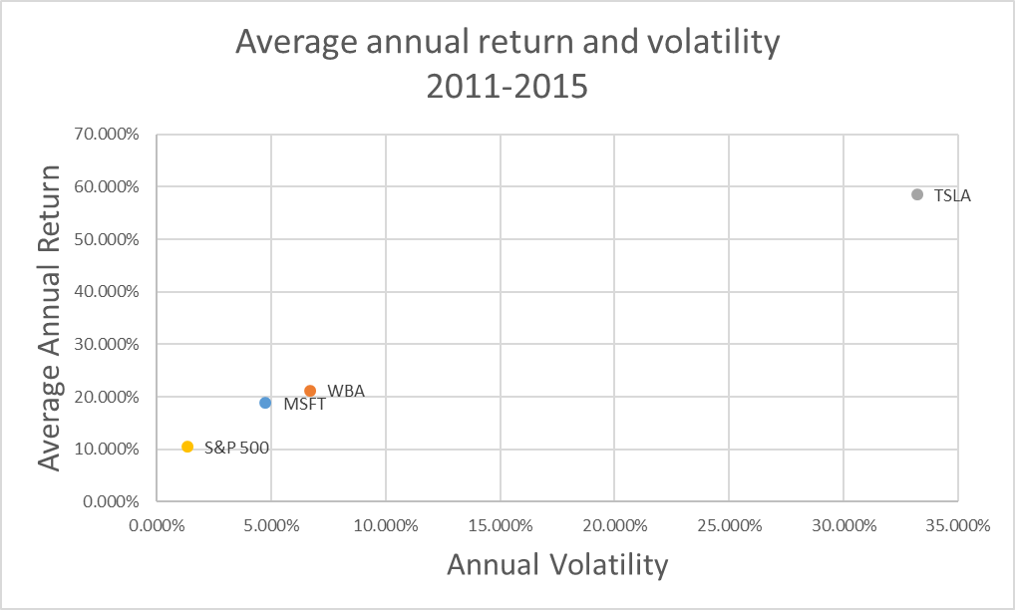
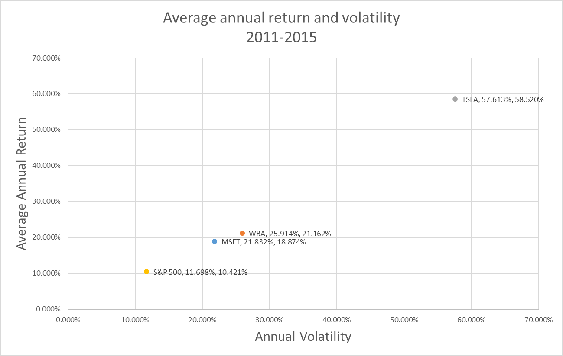

 |  | 0.18873537092 | 0.21831833178
 |  | 0.21161829817 | 0.25913912638
 |  | 0.5852021074 | 0.57613262143

 |  |  |  |  |  |  |  |  |  |  | 0.0671875

 |  |  |  |  |  |  |  |  |  |  |  |  |  |  | 1.0584

 |  |  |  | 0.00576 | 0.00972 | 0.00012 | 0.0156 | 0.12489995997
 |  |  |  |  |  |  |  |  |  |  |  |  | 1.125

